EZH_CAMERA
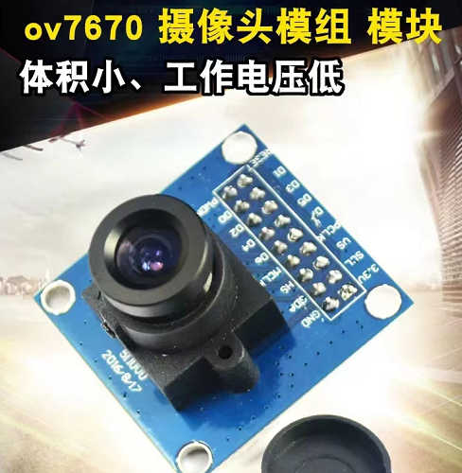
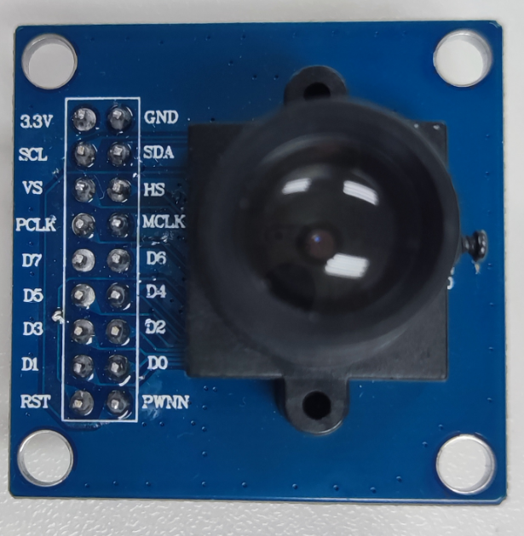
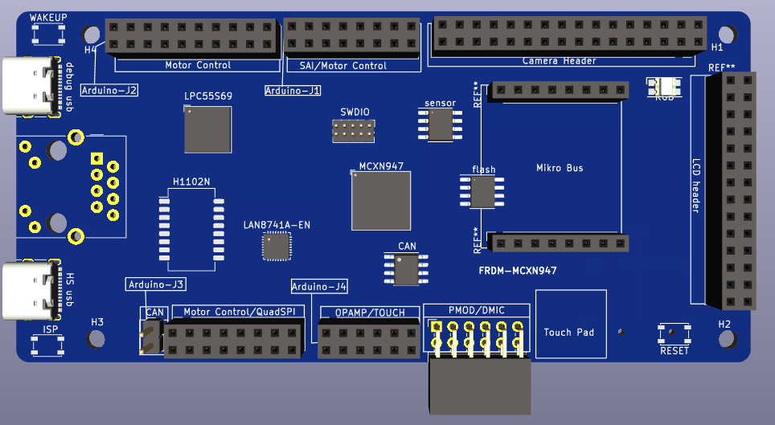
 |  | EZHIO8 | EZHIO28 | EZHIO18 |  |  |  |  | EZHIO6 | EZHIO4 | EZHIO2 | EZHIO0 | EZHIO14 | EZHIO12 | EZHIO10 | EZH
 |  | D8 | CS | DC | GND | I3C_SDA |  |  | D6 | D4 | D2 | D0 | D14 | D12 | D10 | LCD
 |  |  |  |  | GND | I3C_SDA | HSYNC | CLKIN | D6 | D4 | D2 | D0 | PDWON |  |  | CAMERA
FC4_P0_UART_RXD | FC4_P1_UART_TXD | EZH_LCD_D8 | EZH_LCD_CS | EZH_LCD_DC | GND | FC7_I2C_SDA | EZH_CAMERA_HSYNC | CAMERA_CLKIN | EZH_LCD_D6_CAMERA_D6 | EZH_LCD_D4_CAMERA_D4 | EZH_LCD_D2_CAMERA_D2 | EZH_LCD_D0_CAMERA_D0 | EZH_LCD_D14_CAMERA_PDOWN | EZH_LCD_D12 | EZH_LCD_D10
P1_8 | P1_9 | P1_12 | P4_4 | P1_22 | GND | P3_2 | P0_11 | P2_2 | P1_10 | P3_4 | P1_6 | P1_4 | P1_18 | P1_16 | P1_14
32 | 30 | 28 | 26 | 24 | 22 | 20 | 18 | 16 | 14 | 12 | 10 | 8 | 6 | 4 | 2
31 | 29 | 27 | 25 | 23 | 21 | 19 | 17 | 15 | 13 | 11 | 9 | 7 | 5 | 3 | 1
P5_8 | P5_9 | P1_13 | P2_0 | P1_23 | 3V3 | P3_3 | P0_4 | P0_5 | P1_11 | P3_5 | P1_7 | P1_5 | P1_19 | P1_17 | P1_15
P5_8 | P5_9 | EZH_LCD_D9 | EZH_LCD_WR | EZH_LCD_RD | 3V3 | FC7_I2C_SCL | EZH_CAMERA_VSYNC | EZH_CAMERA_PCLK | EZH_LCD_D7_CAMERA_D7 | EZH_LCD_D5_CAMERA_D5 | EZH_LCD_D3_CAMERA_D3 | EZH_LCD_D1_CAMERA_D1 | EZH_LCD_D15_CAMERA_RST | EZH_LCD_D13 | EZH_LCD_D11
 |  |  |  |  | 3V3 | I3C_SCL | VSYNC | PCLK | D7 | D5 | D3 | D1 | RESET |  |  | CAMERA
 |  | D9 | WR | RD | 3V3 | I3C_SCL |  | RESET | D7 | D5 | D3 | D1 | D15 | D13 | D11 | LCD
 |  | EZHIO9 | EZHIO20 | EZHIO19 |  |  |  |  | EZHIO7 | EZHIO5 | EZHIO3 | EZHIO1 | EZHIO15 | EZHIO13 | EZHIO11 | EZH

FLEXIO_LCD A18
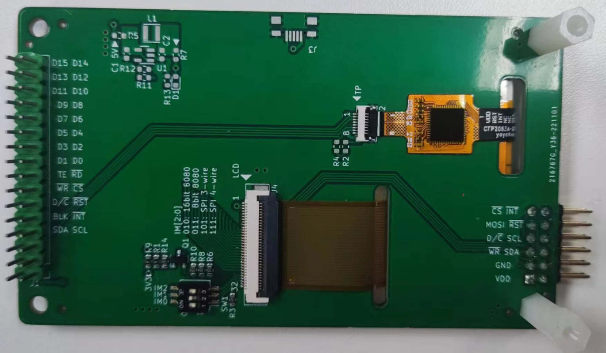
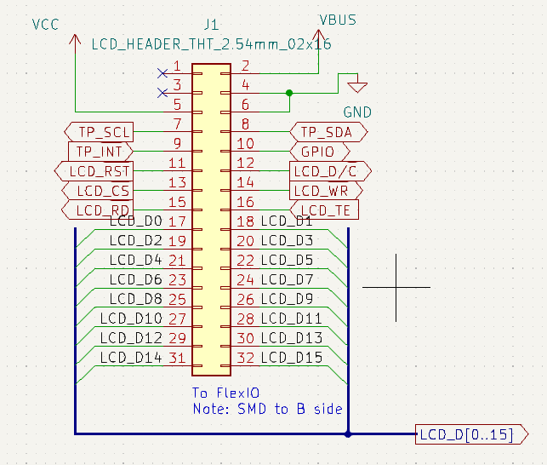
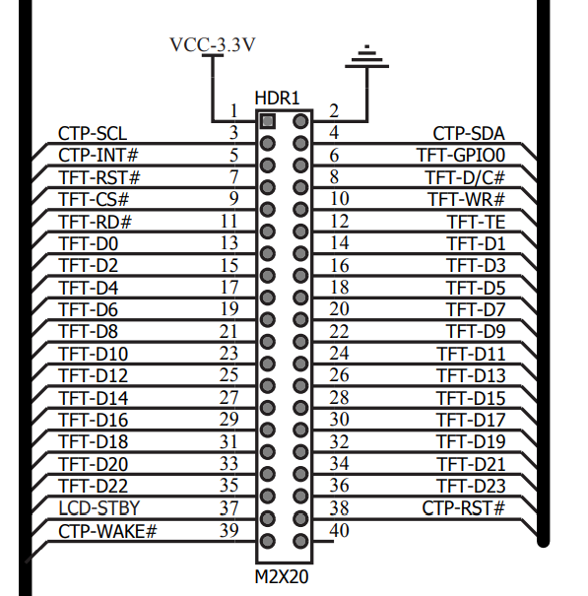
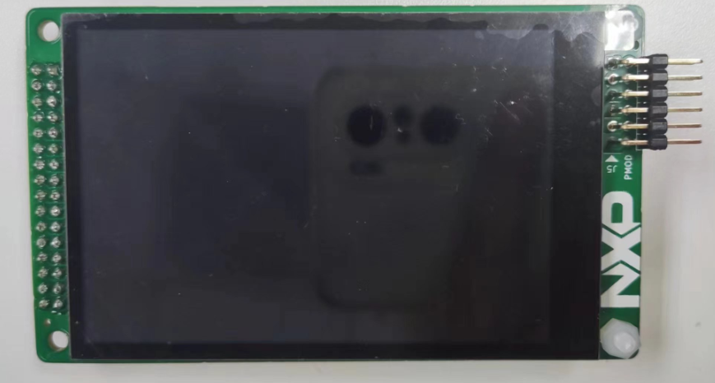
FLEXIO Header |  |  |  | CAMERA | FLEXIO Camera header |  |  |  | CAMERA
GND | 2 | 1 | 3V3 | 3V3 | VDD | 2 | 1 | GND | GND
P4_0/FC2_I2C_SDA-FXIO_HDR | 4 | 3 | P4_1/FC2_I2C_SCL-FXIO_HDR | I2C_SCL | P1_14/LPI2C1_SCL-FXIO_HDR | 4 | 3 | P1_15/LPI2C1_SDA-FXIO_HDR | I2C_SDA
P4_5/FLEXIO_LCD_GPIO | 6 | 5 | P4_6/FXIO_LCD_INT | VSYNC | P3_1/CAM_VSYNC | 6 | 5 | P3_18/FXIO_D26_CAM_HSYNC | HREF
P0_7/FXIO_LCD_DC | 8 | 7 | P4_7/FXIO_LCD_RST | PCLK | P3_21/FXIO_D29_CAM_PCLK | 8 | 7 | P0_6/CAM_CLKIN | XCLK
P0_9/FXIO_LCD_WR | 10 | 9 | P0_12/FXIO_LCD_CS | D7 | P4_7/FXIO_D15_CAM_D7 | 10 | 9 | P4_6/FXIO_D14_CAM_D6 | D6
P0_13/FXIO_LCD_TE | 12 | 11 | P0_8/FXIO_LCD_RD | D5 | P4_5/FXIO_D13_CAM_D5 | 12 | 11 | P4_4/FXIO_D12_CAM_D4 | D4
P2_9/FXIO_D17-FXIO_HDR | 14 | 13 | P2_8/FXIO_D16-FXIO_HDR | D3 | P4_3/FXIO_D11_CAM_D3 | 14 | 13 | P4_2/FXIO_D10_CAM_D2 | D2
P2_11/FXIO_D19 | 16 | 15 | P2_10/FXIO_D18-FXIO_HDR | D1 | P2_1/FXIO_D9_CAM_D1 | 16 | 15 | P2_0/FXIO_D8_CAM_D0 | D0
P4_13/FXIO_D21 | 18 | 17 | P4_12/FXIO_D20 | RESET | P3_19/CAM_RESET | 18 | 17 | P3_20/CAM_PWDN | PWDN
P4_15/FXIO_D23 | 20 | 19 | P4_14/FXIO_D22 | RESET | P3_19/CAM_RESET | 20 | 19 | P3_20/CAM_PWDN | PWDN
P4_17/FXIO_D25 | 22 | 21 | P4_16/FXIO_D24
P4_19/FXIO_D27 | 24 | 23 | P4_18/FXIO_D26
P4_21/FXIO_D29 | 26 | 25 | P4_20/FXIO_D28
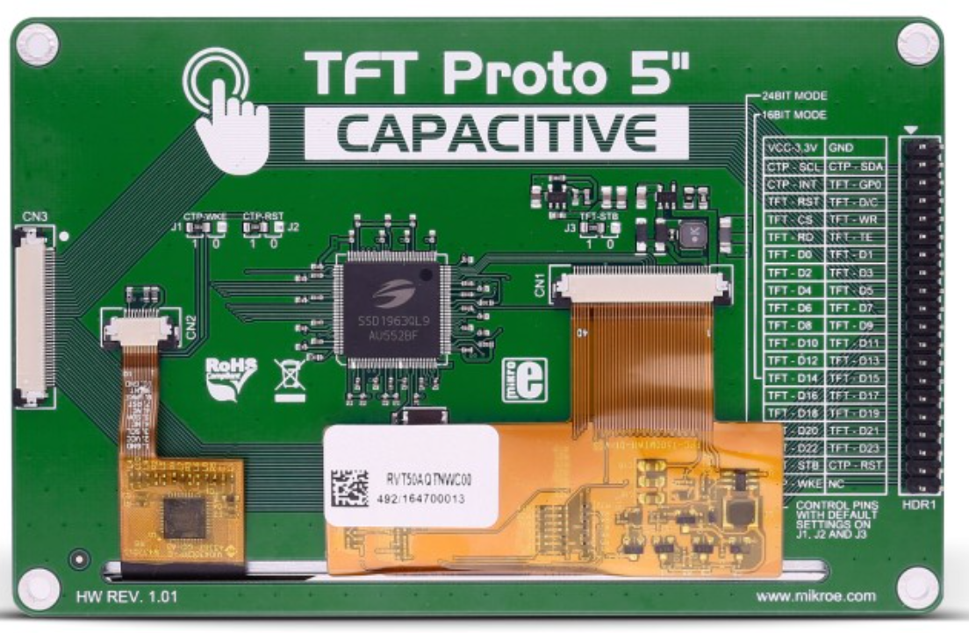
P4_23/FXIO_D31 | 28 | 27 | P4_22/FXIO_D30

LCD_CAMERA_Audio
EZH | LCD | CAMERA | HEADER | J2 |  | HEADER | CAMERA | LCD | EZH
 | 3V3 | 3V3 | VDD | 2 | 1 | GND | GND | GND
 | I2C_SCL | I2C_SCL | P0_17/I2C_SCL | 4 | 3 | P0_16/I2C_SDA | I2C_SDA | I2C_SDA
 |  | VSYNC | P0_10/EZH_CAMERA_VSYNC | 6 | 5 | P0_11/EZH_CAMERA_HSYNC | HREF
 |  | PCLK | P0_14/EZH_CAMERA_PCLK | 8 | 7 | P0_6/P2_2/CAMERA_CLKIN | XCLK
EZH_PIO7 | D7 | D7 | P1_11/EZH_LCD_D7_CAMERA_D7 | 10 | 9 | P1_10/EZH_LCD_D6_CAMERA_D6 | D6 | D6 | EZH_PIO6
EZH_PIO5 | D5 | D5 | P1_9/EZH_LCD_D5_CAMERA_D5 | 12 | 11 | P1_8/EZH_LCD_D4_CAMERA_D4 | D4 | D4 | EZH_PIO4
EZH_PIO3 | D3 | D3 | P1_7/EZH_LCD_D3_CAMERA_D3 | 14 | 13 | P1_6/EZH_LCD_D2_CAMERA_D2 | D2 | D2 | EZH_PIO2
EZH_PIO1 | D1 | D1 | P1_5/EZH_LCD_D1_CAMERA_D1 | 16 | 15 | P1_4/EZH_LCD_D0_CAMERA_D0 | D0 | D0 | EZH_PIO0
EZH_PIO15 | D15 | RESET | P1_19/EZH_LCD_D15_CAMERA_RST | 18 | 17 | P1_18/EZH_LCD_D14_CAMERA_PDOWN | PWDN | D14 | EZH_PIO14
EZH_PIO13 | D13 |  | P1_17/EZH_LCD_D13 | 20 | 19 | P1_16/EZH_LCD_D12 |  | D12 | EZH_PIO12
EZH_PIO11 | D11 |  | P1_15/EZH_LCD_D11 | 22 | 21 | P1_14/EZH_LCD_D10 |  | D10 | EZH_PIO10
EZH_PIO9 | D9 |  | P1_13/EZH_LCD_D9 | 24 | 23 | P1_12/EZH_LCD_D8 |  | D8 | EZH_PIO8
EZH_PIO20 | WR |  | P2_0/EZH_LCD_WR | 26 | 25 | P4_4/EZH_LCD_CS |  | CS | EZH_PIO28
EZH_PIO19 | RD |  | P1_23/EZH_LCD_RD | 28 | 27 | P1_22/EZH_LCD_DC |  | DC | EZH_PIO18
EZH_PIO17 | RST |  | P1_21/EZH_LCD_RST | 30 | 29 | P1_20/EZH_DEBUG |  |  | EZH_PIO16

 |  |  | FLEXIO Header
 |  |  | 3V3 | 1 | 2 | GND
 |  |  | P4_1/FC2_I2C_SCL-FXIO_HDR | 3 | 4 | P4_0/FC2_I2C_SDA-FXIO_HDR
 |  |  | P4_6/FXIO_LCD_INT | 5 | 6 | P1_11/FLEXIO_LCD_GPIO
 |  |  | P4_7/FXIO_LCD_RST | 7 | 8 | P0_7/FXIO_LCD_DC
 |  |  | P0_12/FXIO_LCD_CS | 9 | 10 | P0_9/FXIO_LCD_WR
 |  |  | P0_8/FXIO_LCD_RD | 11 | 12 | P0_13/FXIO_LCD_TE
 |  |  | P2_8/FXIO_D16-FXIO_HDR | 13 | 14 | P2_9/FXIO_D17-FXIO_HDR
 |  |  | P2_10/FXIO_D18-FXIO_HDR | 15 | 16 | P2_11/FXIO_D19
 |  |  | P4_12/FXIO_D20 | 17 | 18 | P4_13/FXIO_D21
 |  |  | P4_14/FXIO_D22 | 19 | 20 | P4_15/FXIO_D23
 |  |  | P4_16/FXIO_D24 | 21 | 22 | P4_17/FXIO_D25
 |  |  | P4_18/FXIO_D26 | 23 | 24 | P4_19/FXIO_D27
 |  |  | P4_20/FXIO_D28 | 25 | 26 | P4_21/FXIO_D29
 |  |  | P4_22/FXIO_D30 | 27 | 28 | P4_23/FXIO_D31

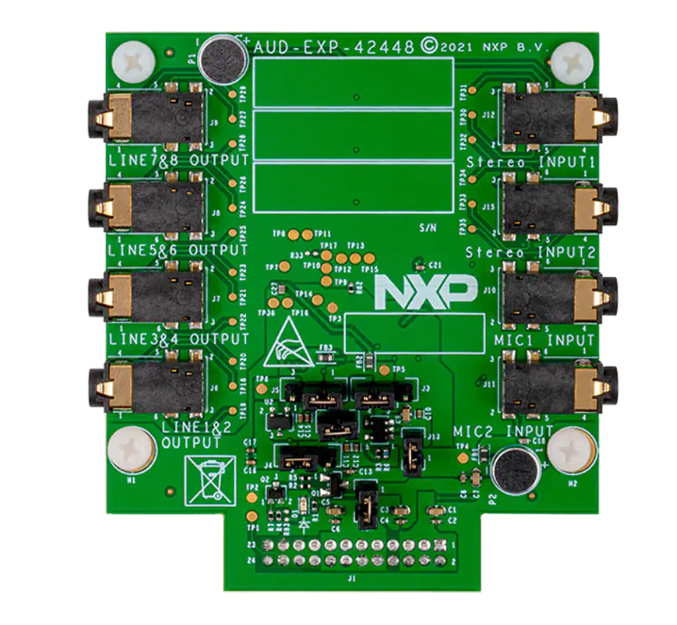
 |  |  | SAI Header
 |  |  | P1_21/SAI1_MCLK | 1 | 2 | GND
 |  |  | P5_4/SAI1_INT | 3 | 4 | 3V3
 |  |  | P3_18/SAI1_RX_BCLK | 5 | 6 | GND
 |  |  | P5_9/GPIO | 7 | 8 | 1.8V
 |  |  | P3_19/SAI1_RX_FS | 9 | 10 | 5V
 |  |  | P3_21/SAI1_RX_D0 | 11 | 12 | 5V
 |  |  | P4_2/SAI1_FC2_I2C_SCL | 13 | 14 | GND
 |  |  | P4_3/SAI1_FC2_I2C_SDA | 15 | 16 | P3_17/SAI1_TX_FS
 |  |  | P3_20/SAI1_TX_D0 | 17 | 18 | P3_23/SAI1_TX_D1
 |  |  | P3_10/SAI0_TX_D0 | 19 | 20 | P1_4/SAI0_TX_D1
 |  |  | P5_2/SAI1_GPIO | 21 | 22 | P5_3/SAI1_GPIO
 |  |  | P3_16/SAI1_TX_BCLK | 23 | 24 | GND

 |  |  | Mikro Bus
 |  |  | P0_15/ADC0_B15 | 1 | 2 | P3_22/PWM
 |  |  | RESET_B | 3 | 4 | P5_7/INT
 |  | EVK | P0_27/SPI_PCS | 5 | 6 | P0_19/RXD
 |  |  | P0_25/SPI_SCK | 7 | 8 | P0_18/TXD
 |  |  | P0_26/SPI_SDI | 9 | 10 | P0_17/SCL
 |  |  | P0_24/SPI_SDO | 11 | 12 | P0_16/SDA
 |  |  | 3.3V | 13 | 14 | USB_VBUS
 |  |  | GND | 15 | 16 | GND

 |  |  |  | PMOD
 |  |  | P1_3/SPI_PCS | 1 | 2 | P3_5/INT
 |  |  | P1_0/SPI_SDO | 3 | 4 | P3_1/RESET
 |  |  | P1_2/SPI_SDI | 5 | 6 | P0_5/I2C_SCL
 |  |  | P1_1/SPI_SCK | 7 | 8 | P0_4/I2C_SDA
 |  |  | GND | 9 | 10 | GND
 |  |  | VDD | 11 | 12 | VDD

Motor Control
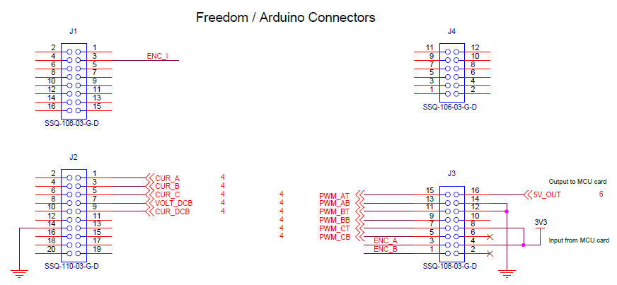
184BGA ALL Pin Name | motor control
ANA_5 | MC_BEMF_A
P5_2 | MC_BEMF_B
P5_3 | MC_BEMF_C
P5_5 | MC_CUR_DCB
P4_13 | MC_ENC_I
P5_4 | MC_VOLT_DCB
P2_6 | PWM1_A0
P2_4 | PWM1_A1
P2_2 | PWM1_A2
P2_7 | PWM1_B0
P2_5 | PWM1_B1
P2_3 | PWM1_B2
P4_5 | SINC0_MBIT4-HDR
P1_22 | TRIG_IN3-MC_ENC_A
P2_0 | TRIG_IN5-MC_ENC_B

